CatFood
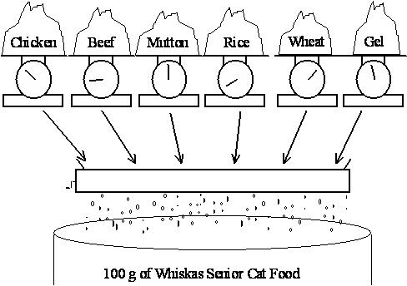
Whiskas Cat Food - an example created for the Stats 255 course at the University of Auckland
What is the least-cost blend of ingredients to make 100g of cat food satisfying the given nutritional requirements?

 |  |  | REQUIREMENTS
 |  |  | PROTEIN | FAT | FIBRE | SALT | ONECAN
 |  | Lower bound | 8 | 6 | 0 | 0 | 100
 |  | Uper bound | 100 | 100 | 2 | 0.4 | 100

 |  |  | Contribution (tr): |  |  |  |  | Costs | Solution
 | INGREDIENTS | CHICKEN | 0.1 | 0.08 | 0.001 | 0.002 | 1 | 0.013
 |  | BEEF | 0.2 | 0.1 | 0.005 | 0.005 | 1 | 0.008
 |  | MUTTON | 0.15 | 0.11 | 0.003 | 0.007 | 1 | 0.01
 |  | RICE | 0 | 0.01 | 0.1 | 0.002 | 1 | 0.002
 |  | WHEAT | 0.04 | 0.01 | 0.15 | 0.008 | 1 | 0.005
 |  | GEL | 0 | 0 | 0 | 0 | 1 | 0.001

